JIRA
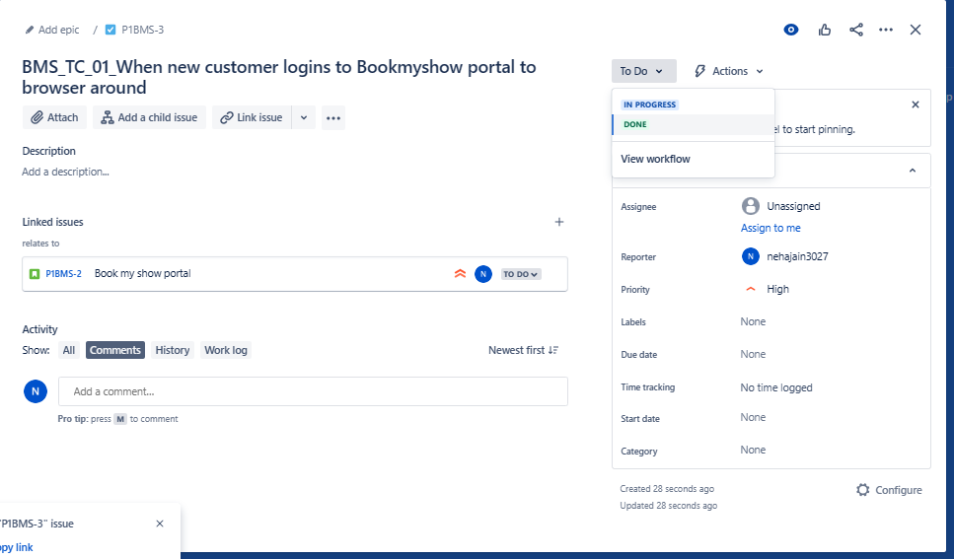
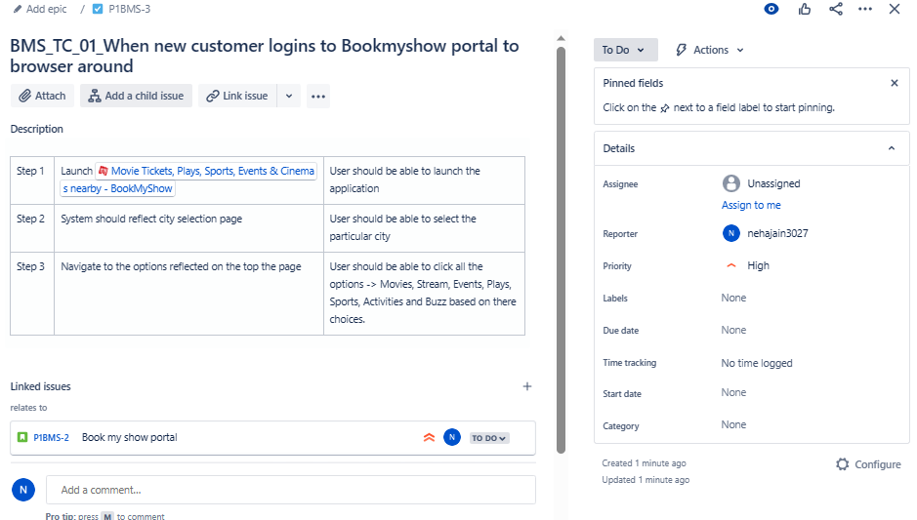
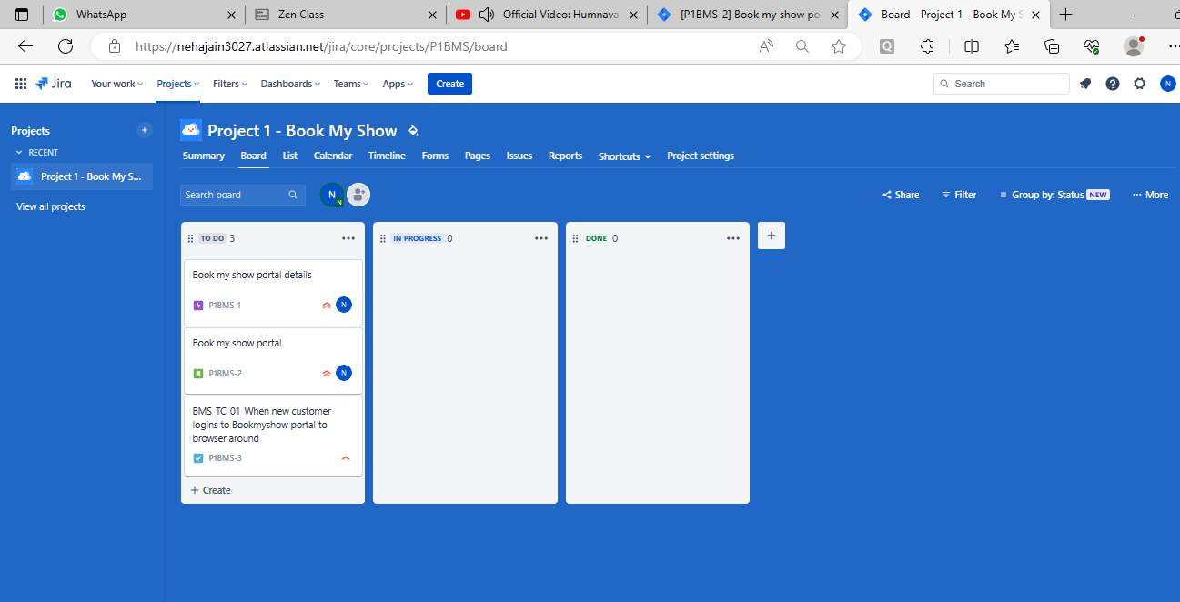
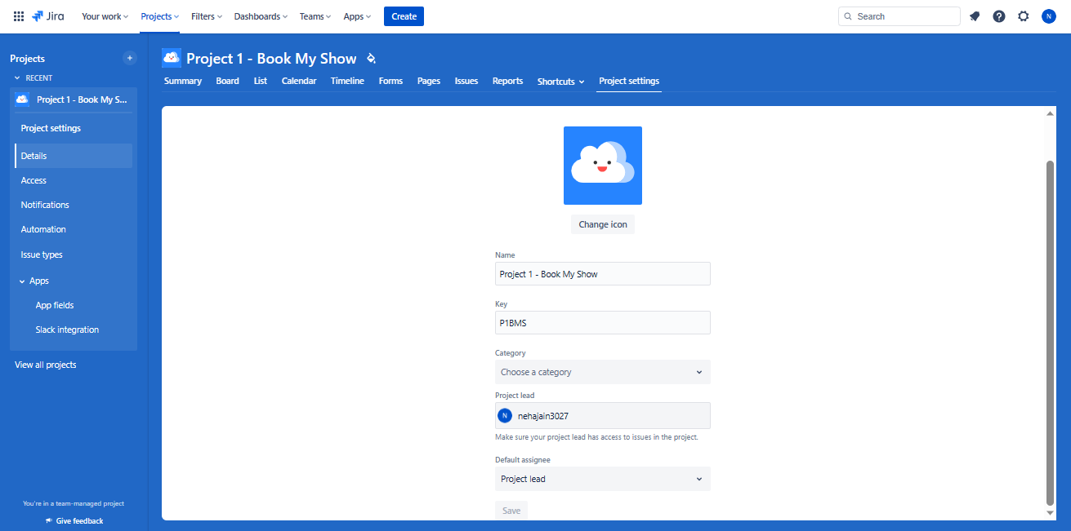
EPIC
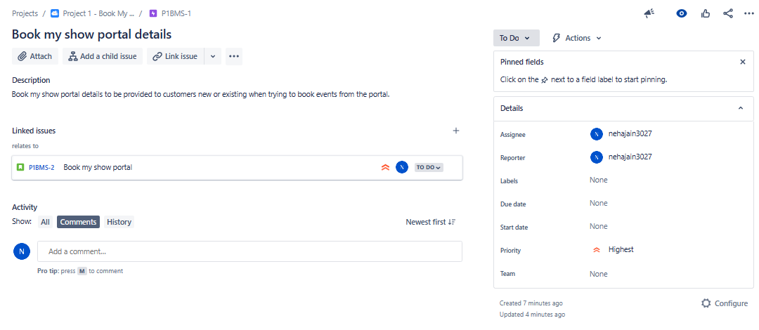

User Story
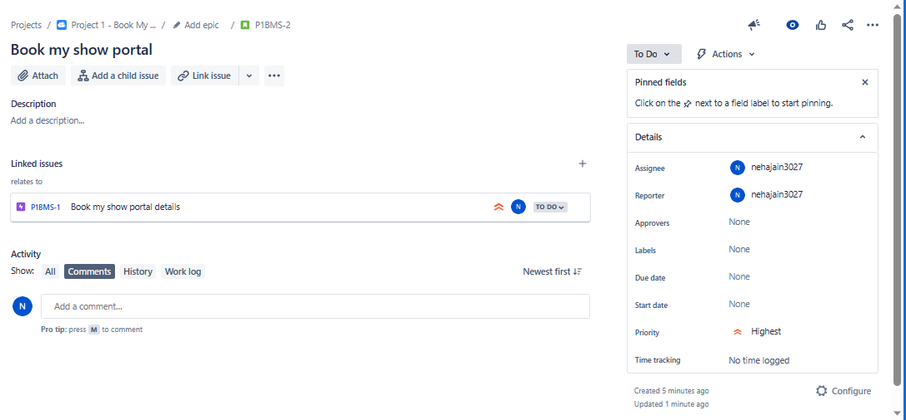

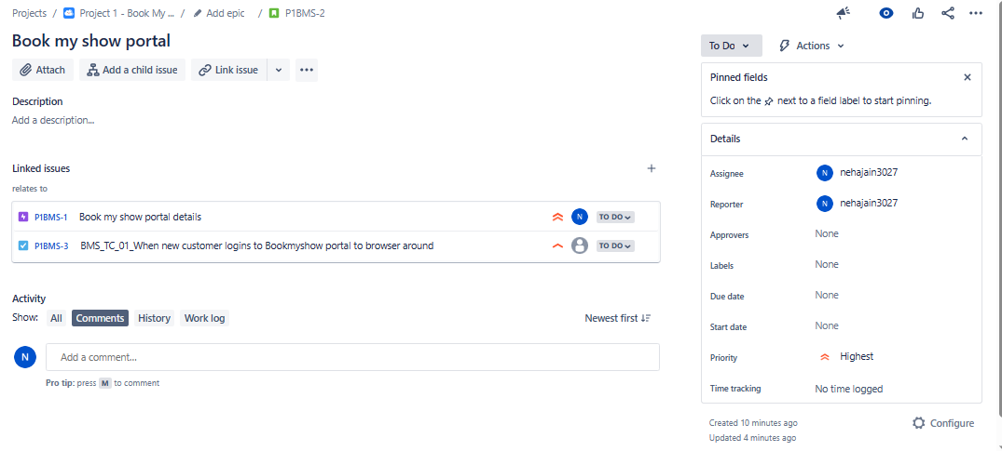

TASK

Test Rail Screenshot
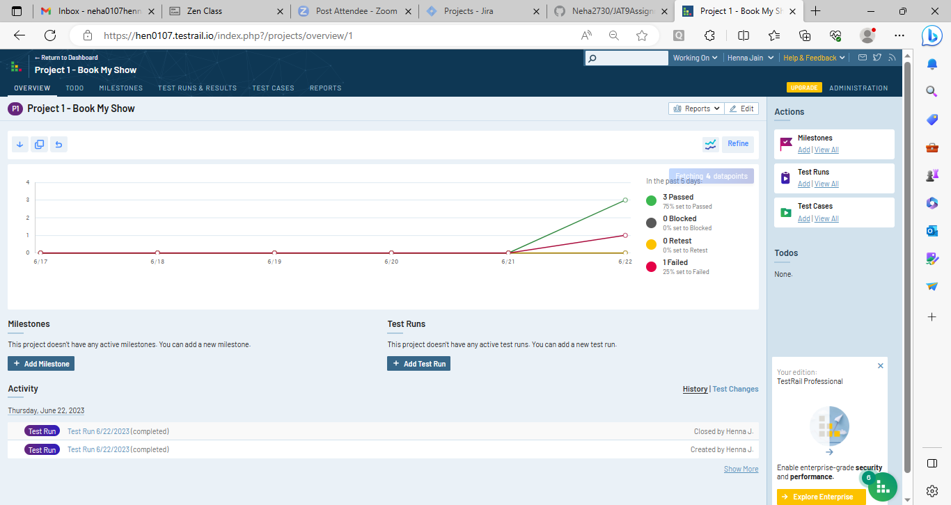

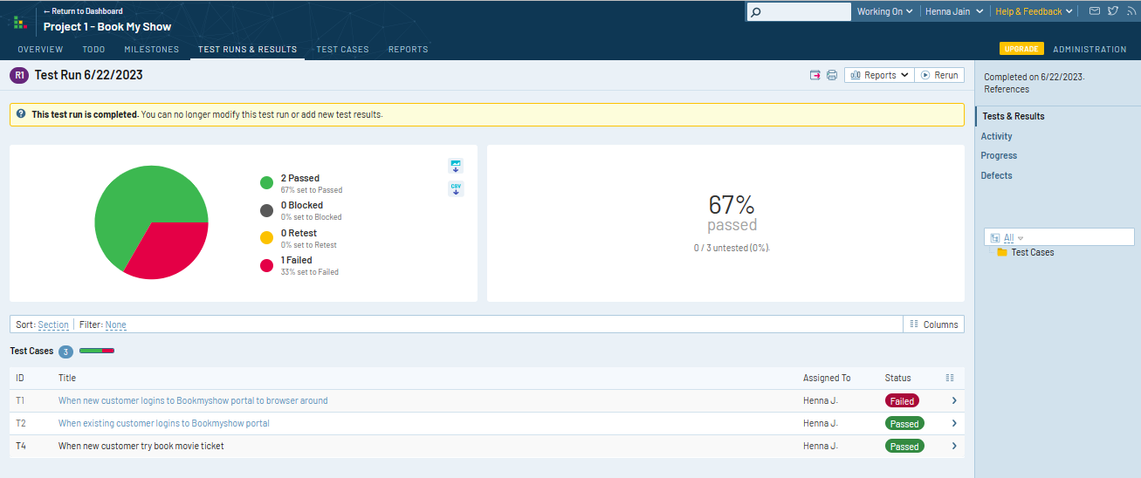

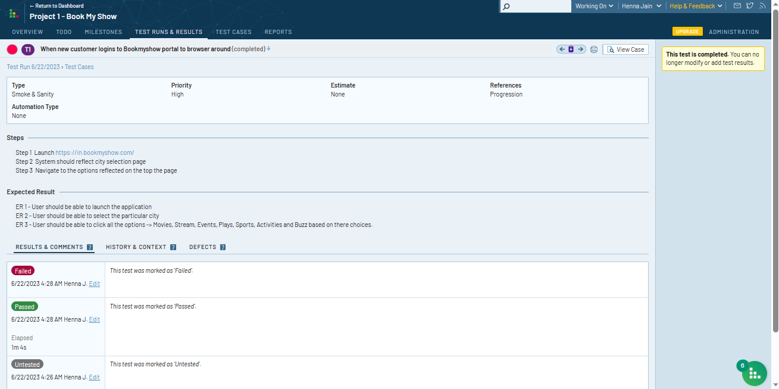

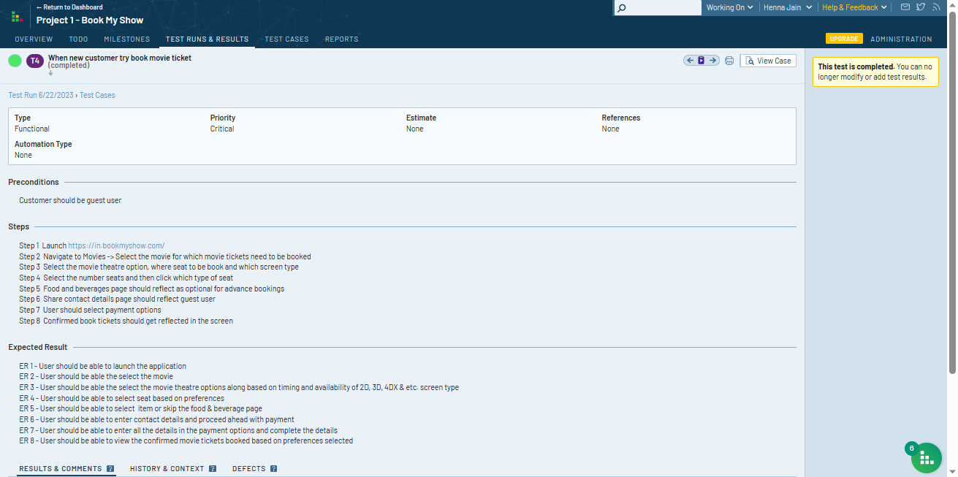

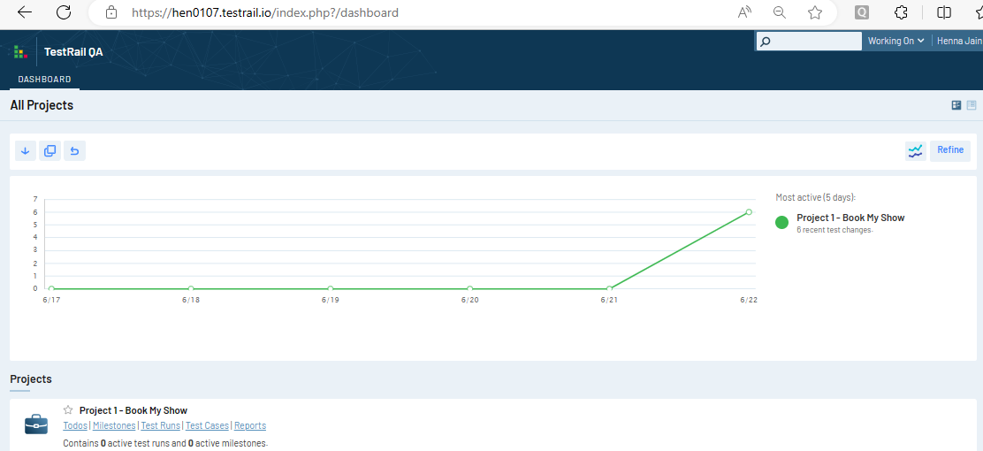

Q2 Test Scenario
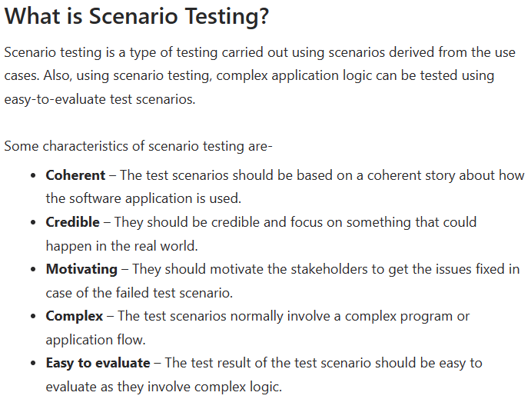
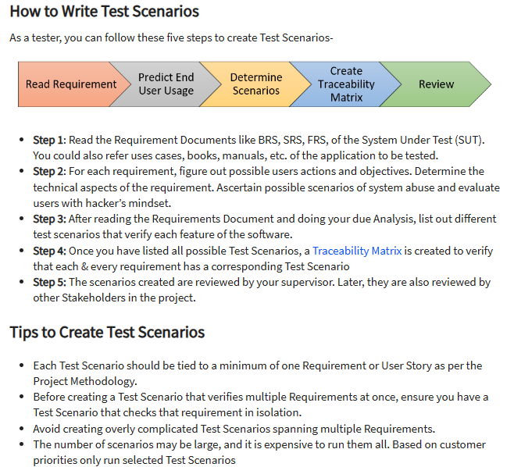
Test Scenario -> A Test Scenario is defined as any functionality that can be tested. It is also called Test Condition or Test Possibility. As a tester, you should put yourself in the end user’s shoes and figure out the real-world scenarios and use cases of the Application Under Test.

Q2 Test Cases
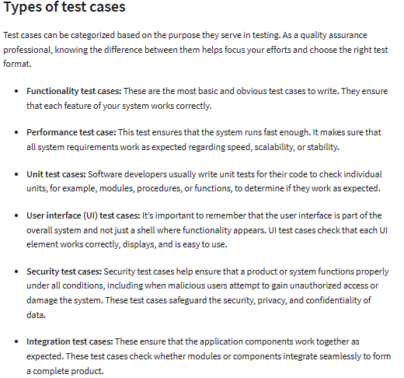
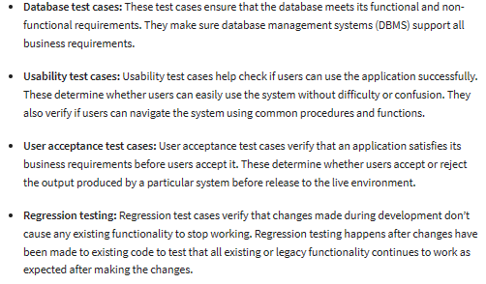
Test Case -> a test case is a specification of the inputs, execution conditions, testing procedure, and expected results that define a single test to be executed to achieve a particular software testing objective, such as to exercise a particular program path or to verify compliance with a specific requirement. Test cases underlie testing that is methodical rather than haphazard. A battery of test cases can be built to produce the desired coverage of the software being tested. Formally defined test cases allow the same tests to be run repeatedly against successive versions of the software, allowing for effective and consistent regression testing. | 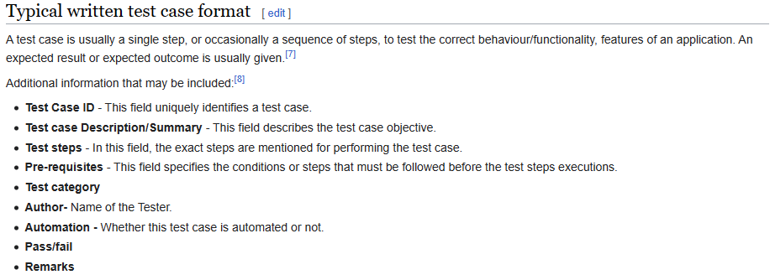

Q2 Test Strategy & Plan
Test Strategy -> A test strategy is an outline that describes the testing approach of the software development cycle. The purpose of a test strategy is to provide a rational deduction from organizational, high-level objectives to actual test activities to meet those objectives from a quality assurance perspective. The creation and documentation of a test strategy should be done in a systematic way to ensure that all objectives are fully covered and understood by all stakeholders. It should also frequently be reviewed, challenged and updated as the organization and the product evolve over time. Furthermore, a test strategy should also aim to align different stakeholders of quality assurance in terms of terminology, test and integration levels, roles and responsibilities, traceability, planning of resources, etc. Test strategies describe how the product risks of the stakeholders are mitigated at the test-level, which types of testing are to be performed, and which entry and exit criteria apply. They are created based on development design documents. System design documents are primarily used, and occasionally conceptual design documents may be referred to. Design documents describe the functionality of the software to be enabled in the upcoming release. For every stage of development design, a corresponding test strategy should be created to test the new feature sets. | 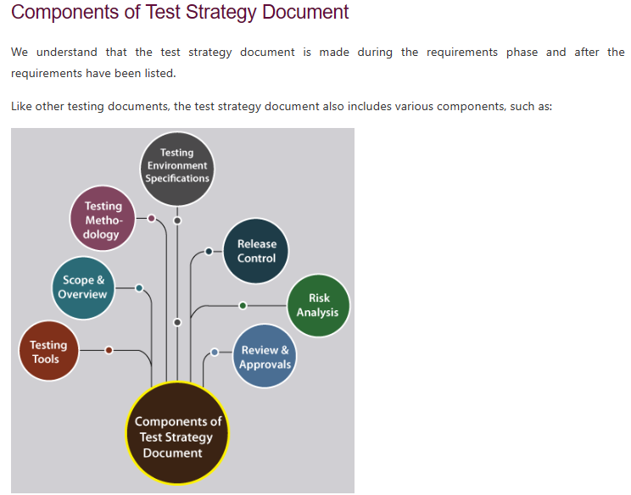

Q2 Test Summary Report
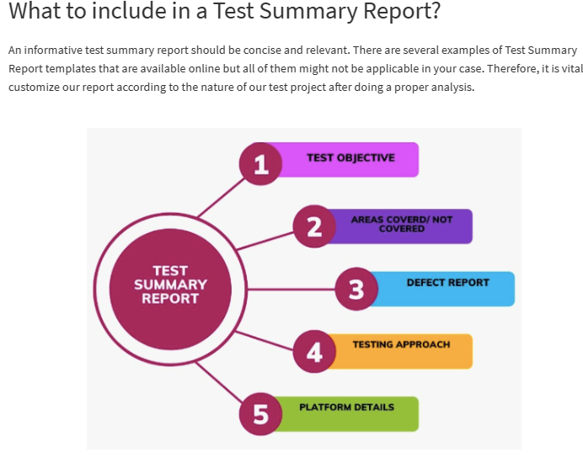
Test Summary Report -> The definition of a Test Summary is as simple as the name suggests. It is also known as a Test Closure Report. It provides the relevant stakeholders with a detailed account of the overall test results and the defects found. It aims to formally summarize the results of the entire testing process. Test Summary Report is an important document that is prepared at the end of a Testing project, or rather after the Testing cycle has been completed. The prime objective of this document is to explain the details of the Testing activities performed for the Project, to the respective stakeholders like Senior Management, Clients, etc. It also portrays the overall quality level of the application. While the Daily Status Reports only deliver the daily test status and results to the stakeholders, Test Summary Report on the other hand provides a consolidated report on the overall testing activities performed in the cycle. | 